Recommendations
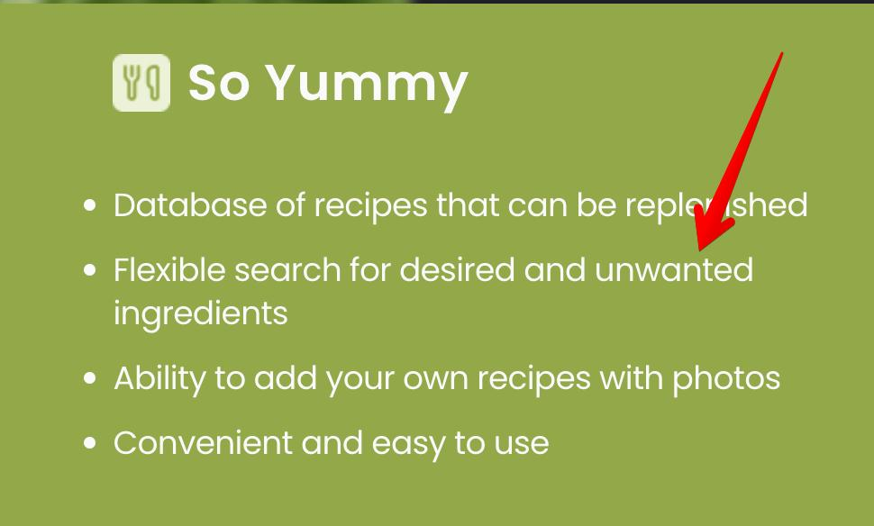
ID | Рекомендаціі
1 | "Flexible search for desired and unwanted ingredients" - it is not clear why users search for unwanted ingredients.

